Sheet1
 | 4COM1037 Programming
 | Coursework Result and Feedback |  |  |  |  |  | Grading Criteria
 |  | Weight | Marks | Comments | General Comments | Marks | Programming Technique (50%) | Program Execution (50%)
Programming Techniques | Appropriate data types and declarations | 10% | 8 | Good and suitable use of variables and types, though may be improved to reconsider use of global variables and use of constant for array size declaration. | Efficient and effective use of variables should be followed. An over-reliant use of global variables means all the relevant functions must refer to these global values in order to work properly, and may therefore impose various limitations on the program, i.e. future scalability, reusability of the functions, etc. Another common mistake is forgetting to use a constant value to declare the size of arrays. | 90 – 100 (Outstanding) | Solutions are novel & fully address task within context. Profound depth of engagement and incisive ideas development. Decision making is in perceptive; techniques are used in an outstanding manner. | Outstanding use of appropriate technology as applied to the problem domain. Consistently accurate and outstanding application of skills and techniques. Components are fully functional as required and evidence of stepping beyond expectations using sophisticated solutions.
 | Appropriate program control techniques | 10% | 10 | Relevant systems in place. | A number of common good practices for program control has been covered in the module, e.g. a loop would be a better technique than multiple if-else statements (or even switch case) statement if we know the program requires certain types of iteration. In the given scenario, there are only 10 products - the loop statement only needs to be written once, whereas if-else statements or switch case statements would need to be repeated 10 times and therefore much less efficient. | 80 – 89 (Excellent) | Solutions are innovative and partially address the task within its context. Considerable depth of engagement and successful ideas development. Clear rationale for decisions; techniques are used in an excellent manner. | Excellent use of appropriate technology as applied to the problem domain. Minor errors in technique and/or application with little or no impact on deliverables. Required components are functional as required, with a generally excellent and highly accurate application of skills and techniques.
 | Modular programming | 10% | 0 | Not attempted. | A clear and logical structure should be followed to separate functions from the main. An effective function should be available for repeated use, which can be called multiple times within the same program, or even be called from a different program. A reusable function is independant from the project context and can be used in any scenario, e.g. to search an item in an array and return the index of that item. | 70 – 79 (Very good) | Solutions relate directly to task and may step beyond conventions. Very good engagement with subject material and processes, evaluation of alternatives, solutions come from process. Very good use of techniques to derive solutions. | Very good use of appropriate technology as applied to the problem domain. Understanding is demonstrated. Small errors in technique and/or application with little impact on deliverables. Most required components are functional, with a high level and accurate application of skills and techniques.
 | Attempt of stretch features if any | 10% | 3 | Relevant code for printing of receipt to screen, though may be extended for additional functionality, such as write to file for permanent storage. | This component allows better projects to stand out by stretching knowledge and abilities, and by implementing relevant features to enhance the program, e.g. printing receipt on the screen, saving the receipt in a local file, adding additional menu options for the user, error-checking for valid money entry, etc. | 60 – 69 (Good) | Solutions are appropriate to task, work well within conventions. Good use of subject material and processes. Experimentation is in evidence to support implementation within conventions. Good use of techniques to derive solutions. | Good use of appropriate technology as applied to the problem domain. Good and reasonably accurate application of skills and techniques demonstrated. Some errors in technique and/or application with minor impact on deliverables; required components may not be fully functional but may be easily resolved.
 | Appropriate comments of the program | 10% | 0 | Remember to include comments to indicate key intentions of code: these are very easy marks! | Commenting on code is important practice in programming. Do not write comments just for the sake of writing, e.g. "This line is to declare a variable", but the purpose of a variable should be explained. A header comment should be included to introduce key product information, such as its purpose, author, and dates. Dates of creation and modification give important log information about the work. | 50 -59 (Clear pass) | Solutions are appropriate to task and work adequately within conventions. Appropriate use of subject material and processes. Experimentation is evident but may be limited in scope. Appropriate use of techniques to derive solutions but may be expanded for depth. | Appropriate use of appropriate technology as applied to the problem domain. Reasonably accurate application of skills and techniques demonstrated. Some errors in technique and/or application with some direct impact on deliverables; required components may not be fully functional but may be resolved through additional effort.
Program Execution | Effective input and output | 5% | 5 | Functional as required. | This component simply assesses whether the program allows user input and output effectively. Most students can obtain these marks easily. If the compilation fails, the program is certainly unable to perform these actions, but I may have allocated marks where I can. Compilation failure may also impact the testing of the remaining executions of the program. | 40 – 49 (Marginal pass) | Solutions limited to task and address conventions. Solutions found or adopted but completion is rushed. Some experiments but limited alternatives. Techniques are applied to derive solutions but steps are missed. | Satisfactory use of appropriate technology as applied to the problem domain. Satisfactory application of skills and techniques demonstrated but with minor inaccuracies. Errors in technique and/or application with some impact on deliverables; required components may suffer from notable errors that affect overall functionality, but which can be rectified by minor improvement.
 | Fluent iterations | 5% | 5 | Loops for barcodes and customers. | Loops should be used regularly in this program. It is crucial to design loops properly so that the program can be executed to deliver the desirable outcomes for barcode and customer iterations. This includes considerations such as the condition to enter a loop, when to exit the loop, any redundant action during repetitions, etc. | 30 – 39 (Marginal fail) | Solutions frame task inappropriately and do not address conventions. Basic use of strategies, few alternatives, limited evaluation with limited experimentation. Limited use of techniques to derive solutions. | Limited use of appropriate technology as applied to the problem domain. Limited application of skills and techniques demonstrated. Many errors in technique and/or application with high impact on deliverables; required components may suffer from critical errors, and may require significant improvement.
 | Error-tolerant user input | 10% | 8 | Generally operational, but better prompts needed in some places - see below. | When user inputs certain information, the system should be robust enough to accommodate certain errors, e.g. when a wrong barcode is entered, or when a non-'Y/N' option is entered, etc. The system should be able to cope these basic errors and continue to function properly. | 20 - 29 (Clear fail) | Lacking in appropriate solutions with very limited use of strategies, no evaluation and little evidence of ideas development. Little use of techniques to derive solutions. Certain elements of academic misconduct. | Very little use of appropriate technology as applied to the problem domain. Very little skill and application of techniques demonstrated. High number of errors with very high impact on deliverables; required components may not function in any discernable way and/or are entirely missing. Certain elements of academic misconduct.
 | Accurate calculation of results | 5% | 5 | Working as required. | This includes the correct calculation of the total price, the outstanding balance, and any change that should be given. | 0-19 (Fall - nothing of merit) | No or completely inappropriate solution. No use of strategies, no planning and no experimentation. No application of techniques to derive solutions. Academic misconduct. | No use of appropriate technology as applied to the problem domain. No skill and application of technique demonstrated. Very high number of errors in deliverable or no deliverable submitted. Required components are under developed, missing, or inappropriate. Academic misconduct.
 | Formatted output | 10% | 8 | Clear and concise, though monetary output should default to 2 decimal places. | The menu print and the relevant message printing should be properly formatted for the purpose of this program. A common mistake is not to use 2 decimal points for monetary output.
 | Successful execution of stretch features if any | 10% | 3 | Receipt prints to screen, though may be extended for additional functionality. | This component awards the execution of the stretch abilities. It is worth mentioning that some students who attempted to save receipts in local files did not use a unique file name so that the production of a new receipt would automatically override the old receipt file, causing a loss of the old record. Naturally this has quite a significant effect on the utility of program, so those who ensured that a new file is written each time would have been given some extra credit.
 | User-friendly interface and smooth running overall | 5% | 3 | Clear and concise, though see some issues below. | The interface should be user-friendly and any messages should be clearly displayed. Clarity and concision is preferred over complex or quantity of information. Sometimes a simple and clear interface would be easier to use than one that is overly complicated for what is required. Proper instructions should also be given to the user on how to proceed - such as expected inputs. Redundant or cumbersome operations should be avoided. A common issue overlooked is that many projects asked a user to make a payment even if they have bought nothing, and proceeded to give change. Imagine a person had to use the program hundreds of times a day...how can the system be made easiest to use?
Total |  | 100% | 58

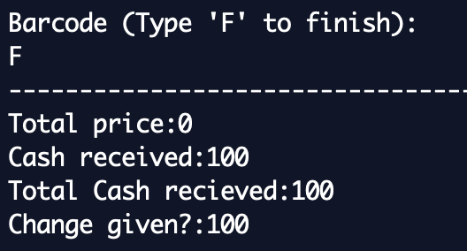

 |  |  |  |  | No need to process customers who have bought nothing; certainly do not ask for money.

 |  |  |  |  | Better checks needed: here, program ends on 'h'.

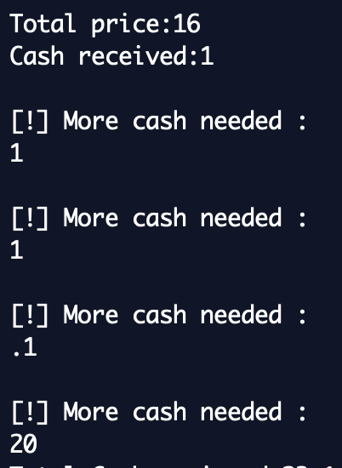

 |  |  |  |  | System should show user how much there is still left owing to enhance usability.

